vesion History
Project Name : Kamera Express
Module : crate account ,login ,logout and Forget password
Home page End to End
Document : FRS
Author : Jaiswal Siddhu
Create Date : 16/08/24
Revied By :
Revied Date :
Approved By :
Approved Date :

Sheet1
Bug Id | Description /Summary | Step to Reproduce | Expected Result | Actual Result | Severity | Priority | Screenshot
Kamera Express-Bug-001 | User is able to register an account by provinding an invalid Name | 1-open in url in mozila brower 2-Click on login page 3-enter name (234Jaiswal) 4- Insert 5-Last name (Siddhu) 6-Xyz (password) 7-Xyz(password) 8-Click on terms and condtion 9-click on register | Warning massage should be display informing the user about the number not allow in name column | Warning massage is not getting dislplayed ,Instead User Account is getting crated with invalid name | High | High | 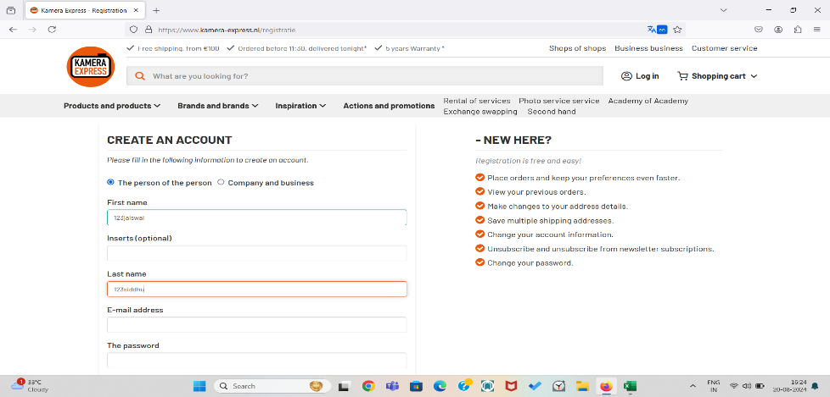

Kamera Express-Bug-002 | User is able to register an account by provinding an invalid Name | 1-open in url in mozila brower 2-Click on login page 3-enter name ( jaiswall) 4- Insert 5-Last name ( siddhu) 6-Xyz (password) 7-Xyz(password) 8-Click on terms and condtion 9-click on register | Warning massage should be display informing the user about in name column | Warning massage is not getting dislplayed ,Instead User Account is getting crated with invalid name | High | High

Kamera Express-Bug-003 | User is able to register an account by provinding an invalid Name | 1-open in url in mozila brower 2-Click on login page 3-enter name (@#$ jaiswall) 4- Insert 5-Last name ( @#siddhu) 6-Xyz (password) 7-Xyz(password) 8-Click on terms and condtion 9-click on register | Warning massage should be display informing the user about in name column | Warning massage is not getting dislplayed ,Instead User Account is getting crated with invalid name

